ศทบ1
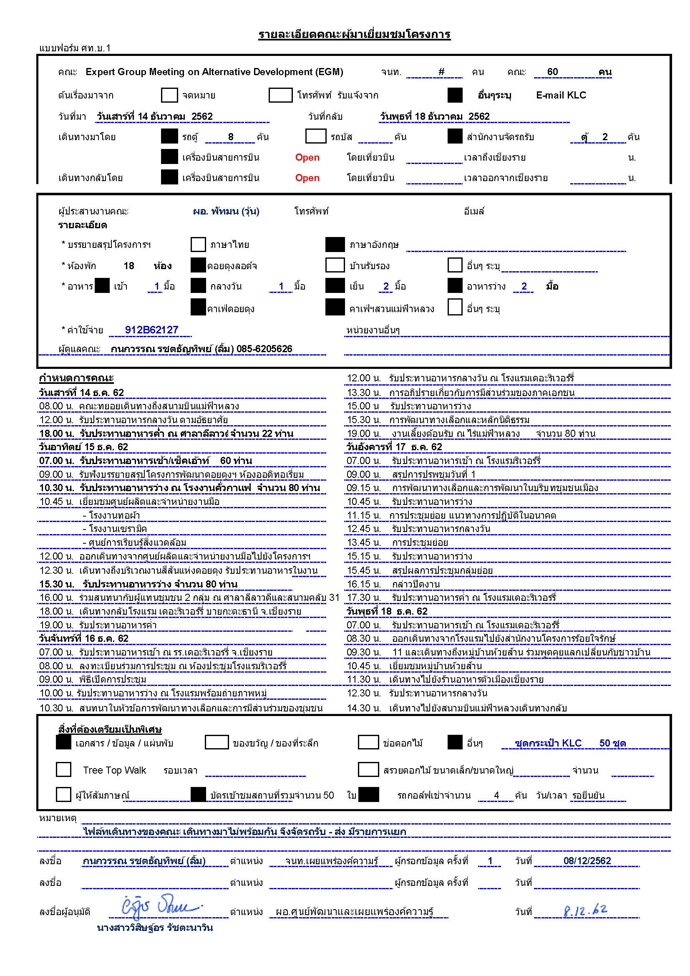

โปรแกรม
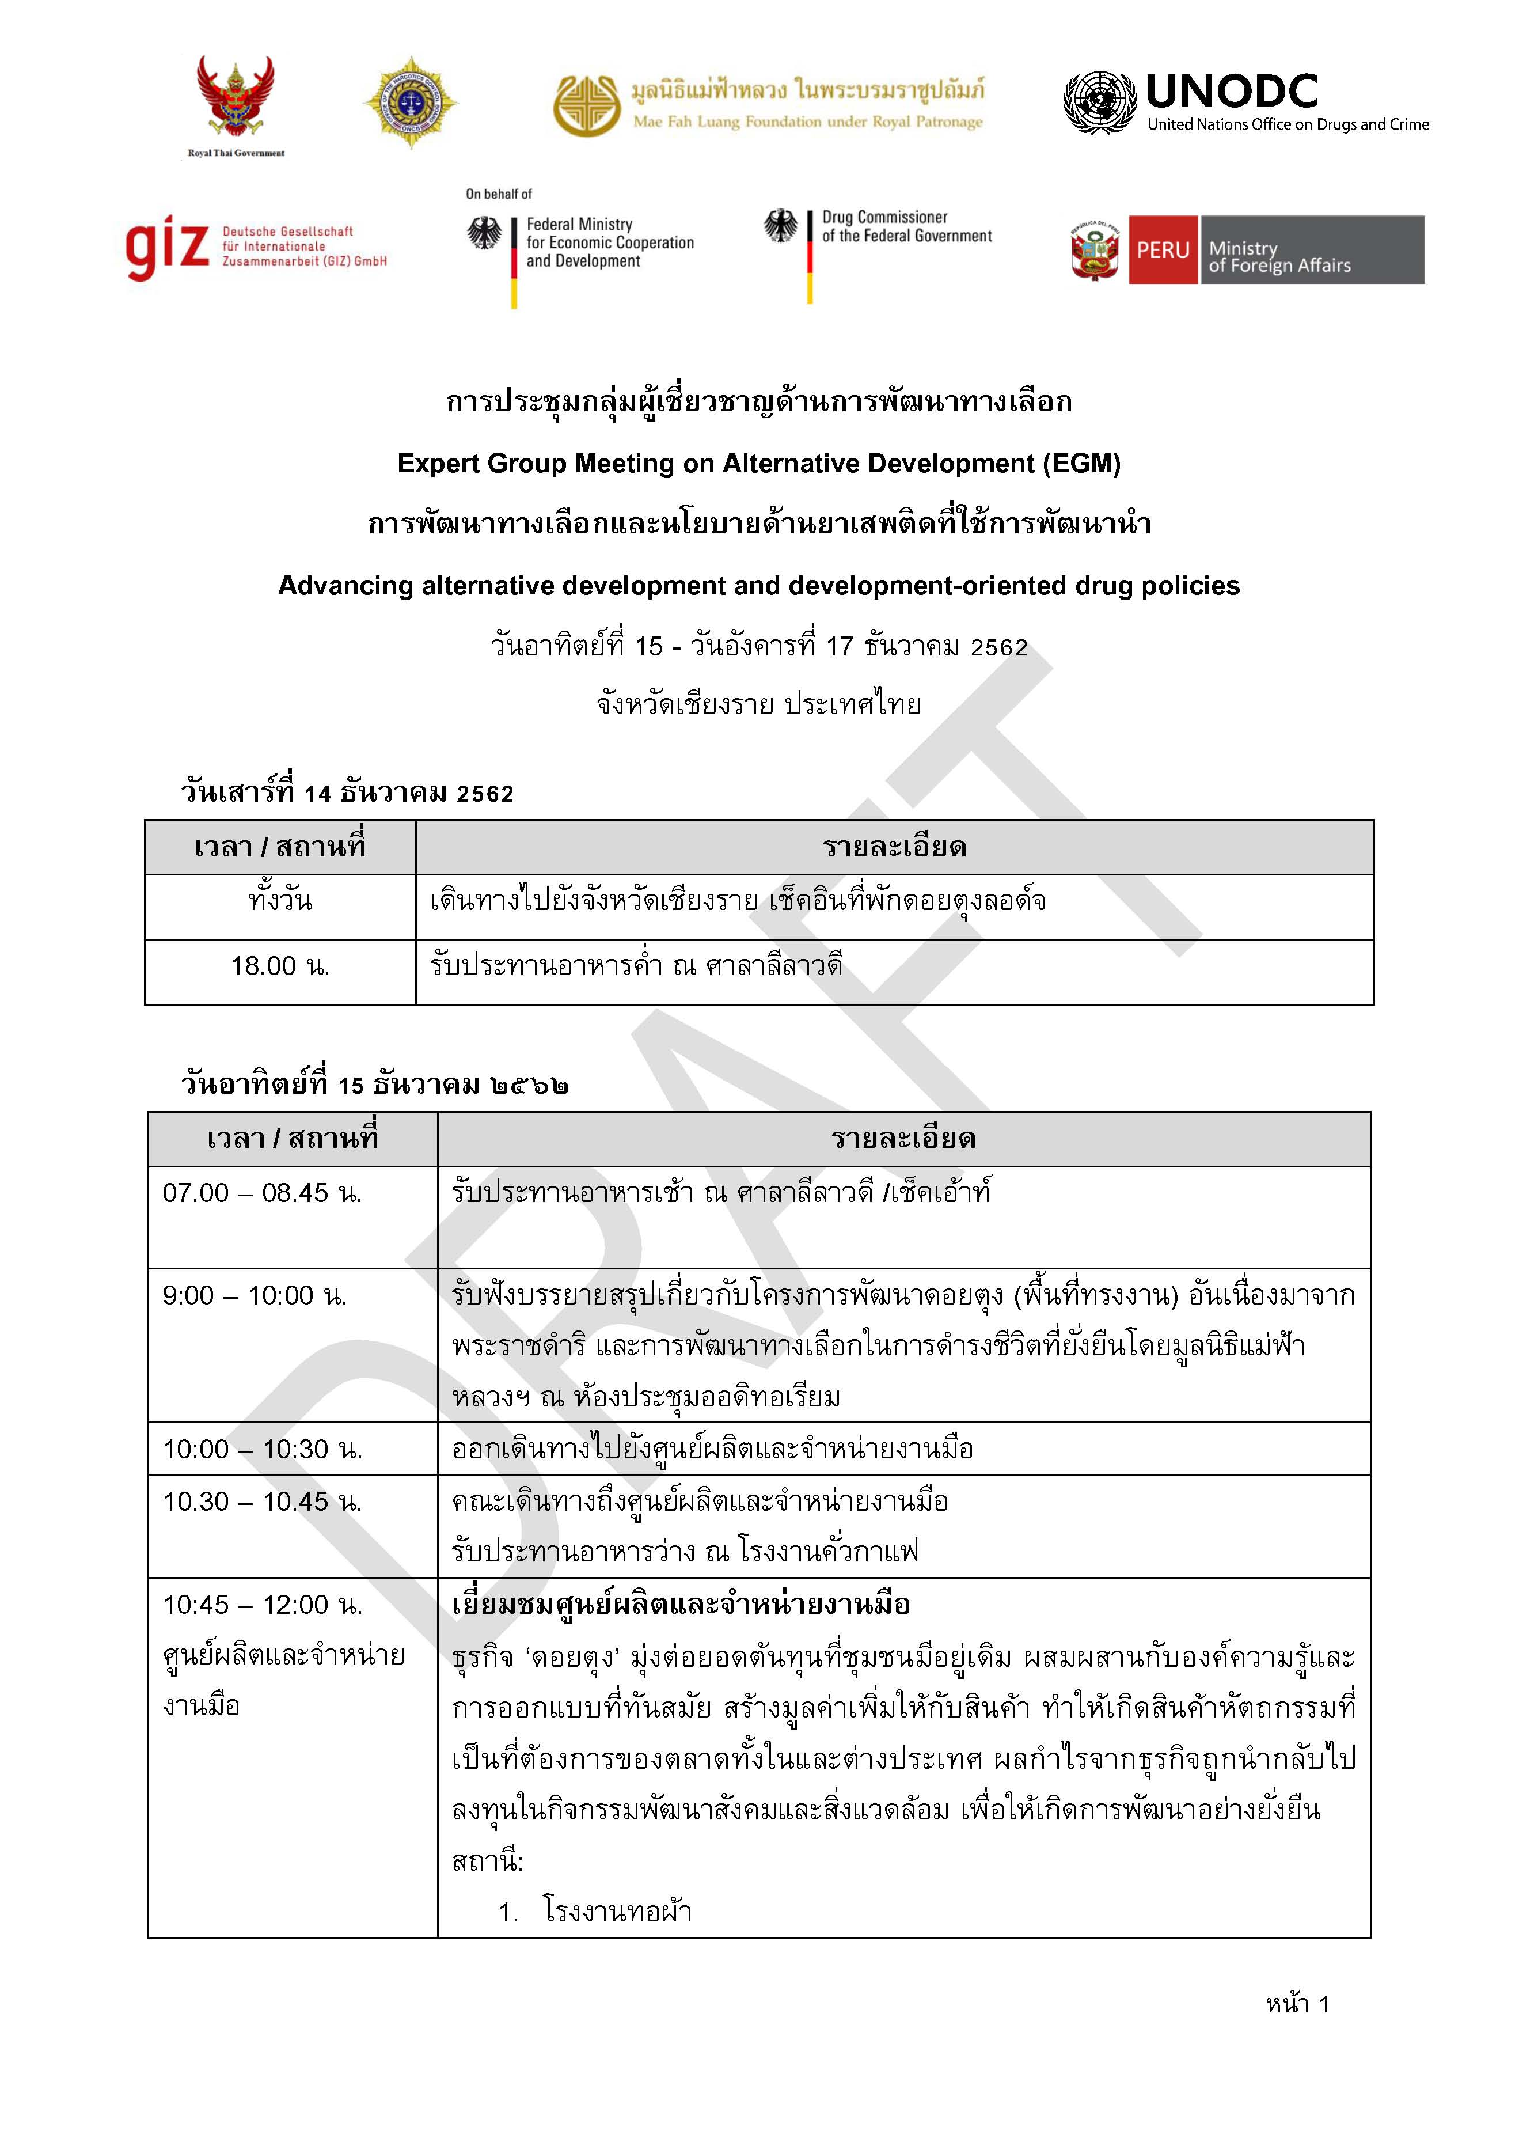

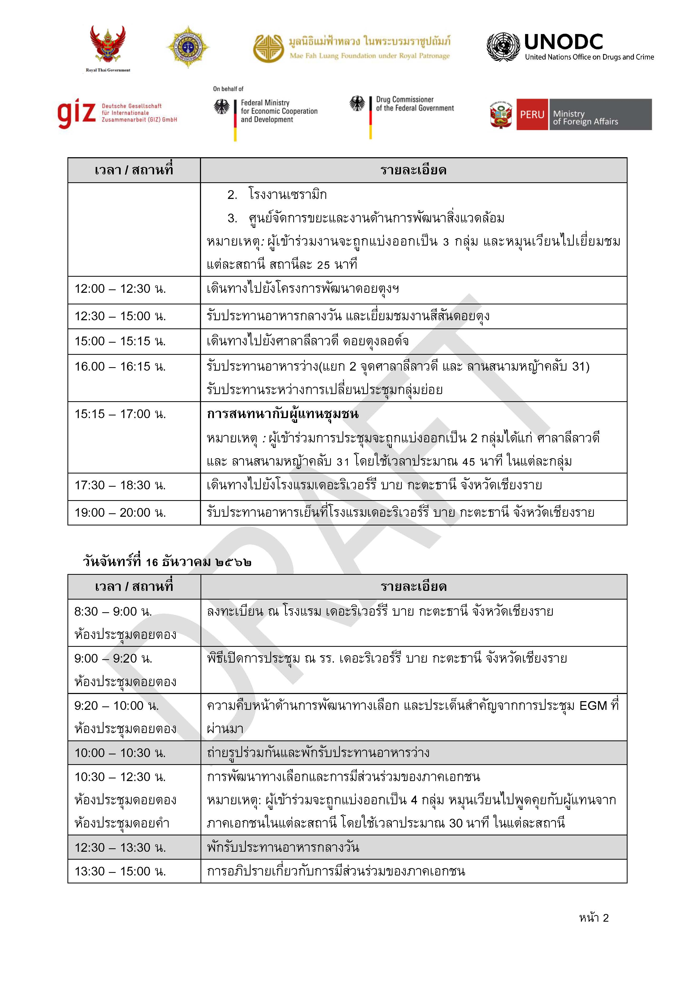

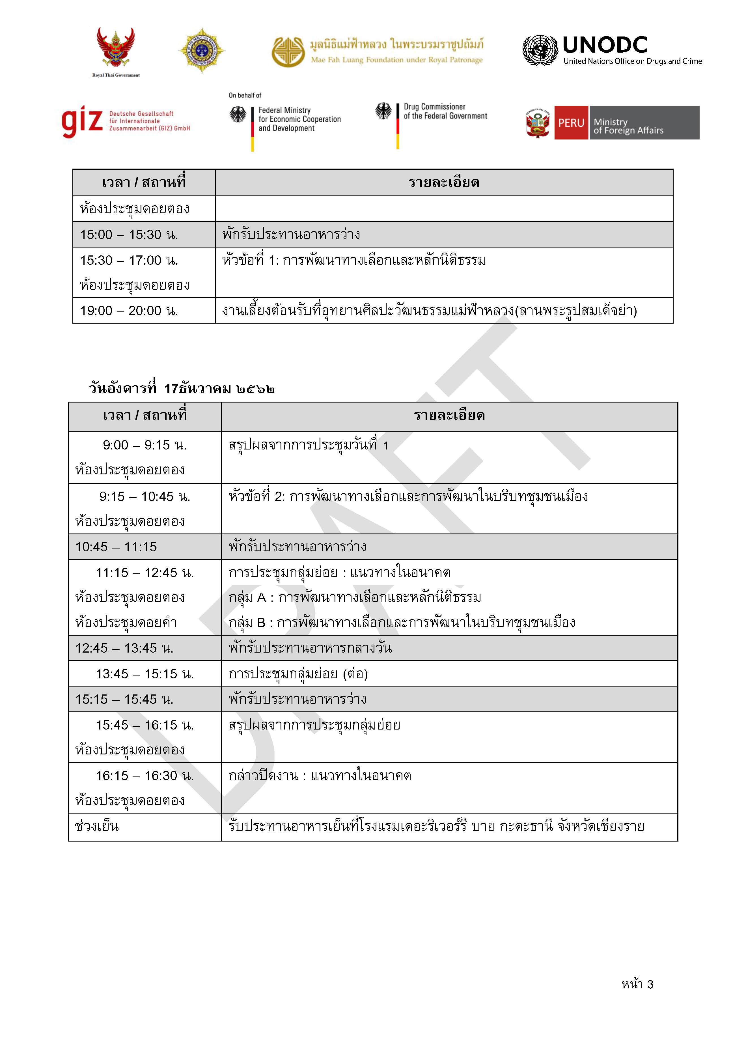

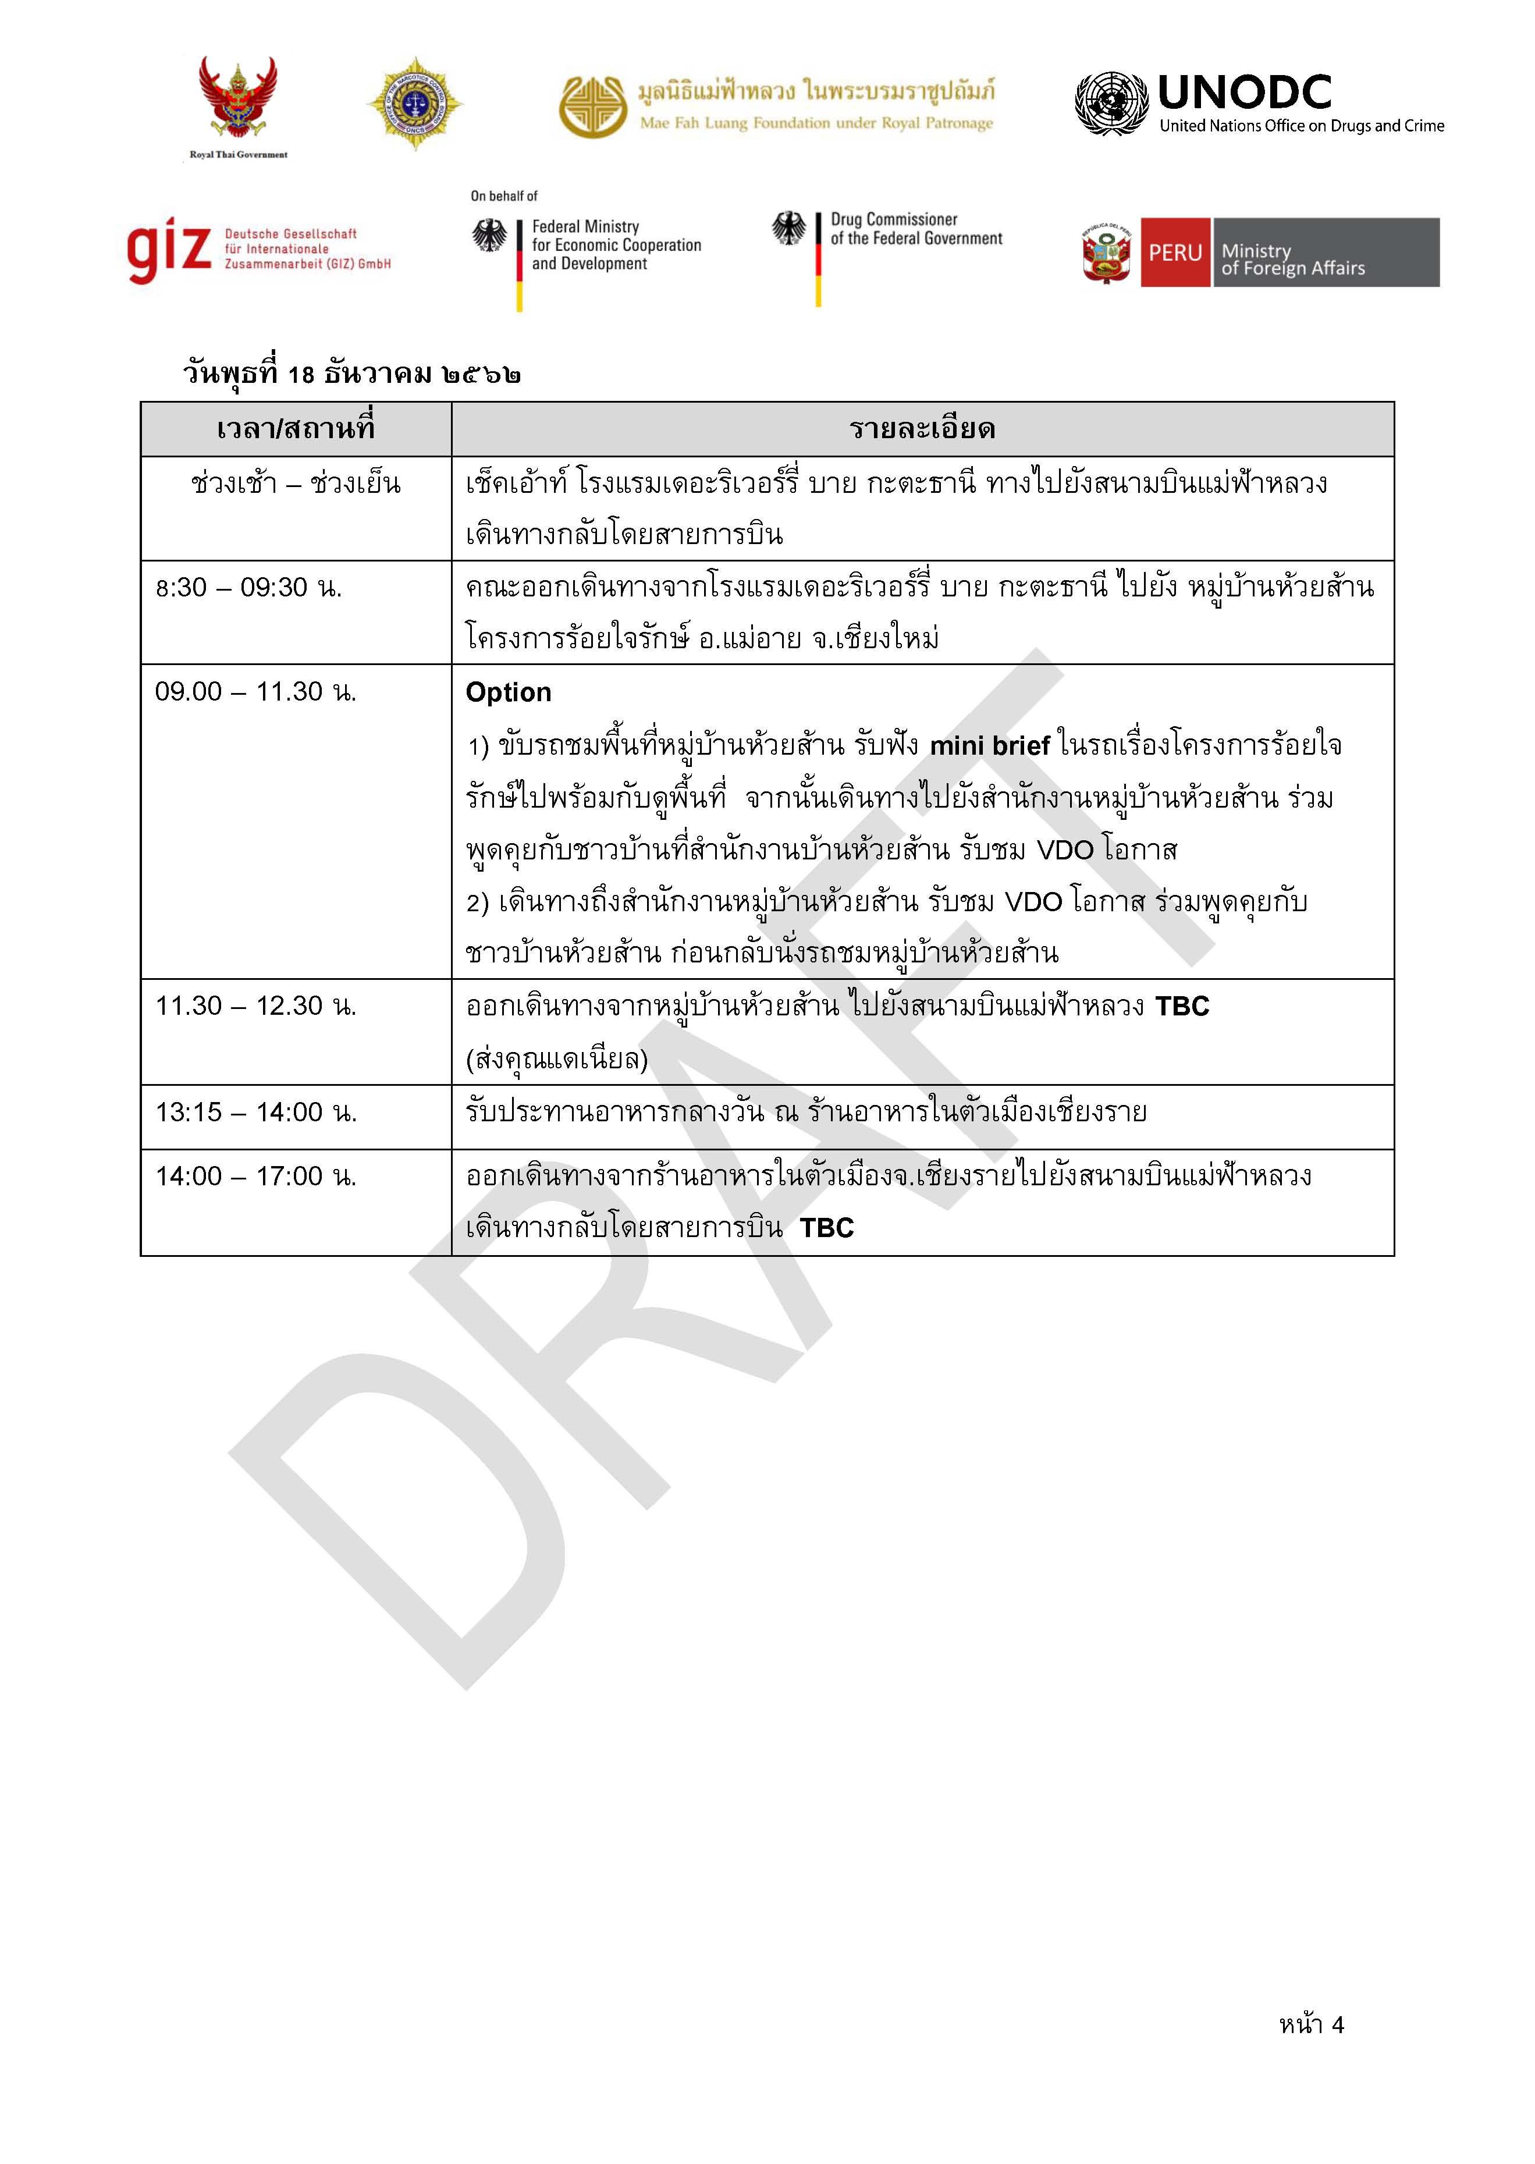

ผังกาดหมั้วไร่มฟล.
จุดลงรถด้านหน้าประตูศรีชมชื่นจอดลงรอบละ 2-4 คัน ทยอยเดินเข้าประตู

Welcome drink, speech,
photo

Entrance ประตูศรีชมชื่น

Dinner
& 3 shows

