participants (2)
List of Participants |  |  |  |  |  |  |  |  |  |  |  |  |  | As of 8/10/2018
Study Visit and Workshop on Alternative Development in Thailand
26th October - 4th November 2018

No. | Title | Name | Surname | photo | Sector | Position/Organization | Organization | Responsabilities | Passport number | Date of Birth DD/MM/YYYY | Date of Issue DD/MM/YYYY | Date of Expiry DD/MM/YYYY | Contact Info | Dietary Requirement | Remarks
1 | Mr. | Charles | Dulcey | 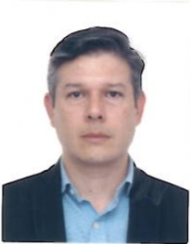 | Central Government | Advisor (Government employee/ Middle-high management) | Direction for Illicit Crops Substitution, High Counselling for the Post Conflict, Human Rights and Security | Advises High Counselling for the Post Conflict in the design and coordination of actions related to the formulation, building and development of illicit crops substitution. Together with other Ministries and administrative departments, it coordinates the implementation of programs and projects related to illicit substitution. | AP568015 | 1978-09-10 | 2014-04-07 | 2024-04-06 | charlesdulcey.dsci@gmail.com | None
2 | Mr. | Ruben | Guerrero | 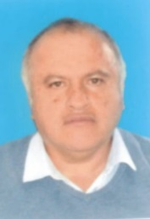 | Central Government | Advisor at the forest devision (Government employee-Middle management) | Ministry of Environment and Sustainable Development-MADS | MADS direction (division) is in charge of the implementation of forest management policies, Provides technical information for policy making and biodiversity regulation. It monitors and evaluates such policies. Define and guide the implementation of the REDD+ governmental strategy. | AM783623 | 1966-06-12 | 2011-06-21 | 2021-06-20 | rdguerrero@minambiente.gov.co | None | Hypertension. Understand English
3 | Mr. | Juan Leonardo | Giraldo Perez | 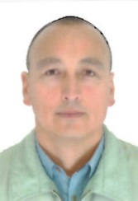 | Central Government | Advisor -Subdirection of Productive Projects in the Estructural Projects Direction. (Government employee/ middle-high management) | Agency for the Renewal of the Territory-ART, Ministry of Agriculture and Rural Development | The ART is in charge of the coordination of the national and regional entities for their action in rural areas that have been affected by the armed conflict, through the implementation of "Territorial Renewal Plans", that will perish the economic and social recovery of these areas. Since January 2017 when the Agency for the Renewal of the Territory started operating, Mr. Girado is working with the Subdirection of Productive Projects of the Estructural Projects Direction. There, we articulate and coordinate AD actions with other entities such as the Rural Development Agency , the Direction for Illicit Crops Substitution of the High Counseling for Postconflictn and the United Nations Office on Drugs and Crime - UNODC. Some of the functions that he works in the Subdirection are: i) the design of guidelines and parameters for the formulation and structuration of projects, ii) the conformation and coordination of cross-sectorial workgroups for the formulation of productive projects, iii) acompany and assist the population and social organizations on the identification of needs and problems when formulating and structrating productive projects, iv) assist on the implementation of projects and other activities with participants, users and beneficiaries linked to General Plan of Renewal and Territorial Intervention Plans. | AU930803 | 1972-05-07 | 2018-06-28 | 2028-06-27 | Juan.Giraldo@renovacionterritorio.gov.co | None
4 | Ms. | Eliana Milena | Riascos Arbeláez |  | Central Government | Focal Point in Cormacarena Jurisdiction Area. Forest Governance Pillar. | Amazon Vision Program. Amazon Vision is an initiative of the Colombian government with the support of Germany,Norway and UK. The organisation is embedded in the ministry of environment. | Ms. Riascos is in charge of the implementation of REDD+ Early Movers in Colombia in the Amazon region. The organisation promotes agreements with stakeholders to reduce deforestation in Colombian Amazon. It develops and prioritizes actions in regions that most prone to deforestation. | AV097132 | 1976-05-04 | 2018-09-19 | 2028-09-18 | eriascos@minambiente.gov.co
5 | Ms. | Ana Maria | Rueda |  | Expert form Central Government agency | External Advisor/ Expert (not governemnt employee) | Land Access Department, National Land Agency-ANT, Ministry of Agriculture and Rural Development. | The ANT is part of the Ministry of Agriculture and Rural Development. Ms. Rueda as a counsultant is in charge of the implementation of land tenure formalization strategy as a relevant component for AD and rural development. She runs programs of access to land based on the criteria of equitable distribution among rural workers to improve their income and quality of life. | 475783017 (US passport) | 1978-12-30 | 2011-02-08 | 2021-02-07 | ana.rueda@agenciadetierras.gov.co | Understand English
6 | Mr. | Juan Matías | Rozo Alzáte | 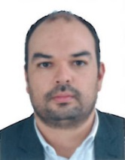 | International Org | Coordinator of the comprehensive Monitoring to Alternative Development Program | UNODC-Colombia As the coordinator of the monitoring system to AD Colombian Program (PNIS), he is in charge of 100 staff. His team verifies illicit crops eradication commitments signed between the community and the government. They also responsible for baseline, follow-up and endline surveys in order to measure the results of AD program and how to improve it. | Supports the Colombian Government in the management of public policy aimed to reduce and eliminate illicit crops. In the framework of the agreement with the Administrative Unite for the Territorial Consolidation (UACT), it supports the implementation and monitoring of integral and sustainable strategies to reduce illicit crops and promote alternative development. UNODC is GIZ partner in the implementation of cocoa project in Putumayo and silvopastoral project in Caquetá. | AQ634929 | 1983-11-21 | 2015-03-02 | 2025-03-01 | matias.rozo@un.org | Understand English
7 | Ms. | Rhena | Hoffmann |  | International Org | Coordinator | GIZ. Protection of Forests and the Climate-REDD+ | The programme provides support to Colombia’s Ministry of Environment and Sustainable Development (MADS) in drafting the national REDD+ strategy (ENREDD+) and implementing it in priority regions where there are higher rates of deforestation. In addition, the programme promotes communication and cooperation among the actors responsible for sustainable forest use and for reducing deforestation. |  |  |  |  | rhena.hoffmann@giz.de | Understand English
8 | Mr. | Héctor Fabio | Santos Duarte | 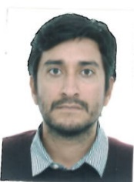 | International Org | advisor GPDPD/REDD+ | GIZ GPDPD/REDD+ | The GPDPD / REDD + combineS alternative development strategies in areas with coca crops and problems of deforestation and forest degradation. | AO826959 | 1983-01-12 | 2013-07-25 | 2023-07-25 | hector.santos@giz.de | Understand English
9 | Ms. | Diana Carolina | Torres |  | Regional Government (Environmental Authority) | Coordinator of Climate Change Group | Cormacarena,Meta Department (region) | Environmental Authority in Meta Department that coordinates the preparation of programs and projects of environmental development. The organisation is in charge of granting concessions, permits, authorizations and environmental licenses for the exploitation of renewable natural resources or for the development of activities that affect or may affect the environment. It promotes the creation of non-governmental organizations for the defense and conservation of the environment. It is also REDD+ Programme partner in the implementation of its regional activities including pilot projects. | AN939521 | 1982-05-13 | 2012-08-17 | 2022-08-17 | cambioclimatico@cormacarena.gov.co
10 | Ms. | Catalina | Piedrahita |  | Regional Government (Environmental Authority) | Professional in the Climate Change Group | Cormacarena, Meta Department (region) | Environmental Authority in Meta Department that coordinates the preparation of programs and projects of environmental development. In charge of granting concessions, permits, authorizations and environmental licenses for the exploitation of renewable natural resources or for the development of activities that affect or may affect the environment. It promotes the creation of non-governmental organizations for the protection and conservation of the environment. It is also REDD+ Programme partner in the implementation of its regional activities including pilot projects. | AM814929 | 1985-09-08 | 2011-07-14 | 2021-07-13 | cambioclimatico@cormacarena.gov.co
11 | Ms. | Hidela Maria | Benítez Hernandez | 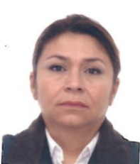 | Local Government | Local Authority in the "Palmarito Corregimiento" and Community Leader | The position is a part of the local government selected by the Mayor. Sometimes a local government has authorities for a group of "veredas" that is called "Corregimiento". She is also a community representative in the REDD+ Pilot Project "Mechanisms of social consensus among stakeholders for the promotion of conservation in the South of Tibú and North of Cucuta" | Community leader of REDD+ Pilot Project. Pilot Project basic data is attached. | AV087443 | 1970-10-13 | 2018-09-12 | 2028-09-11 | laportenabenitez@gmail.com
12 | Mr. | Alexander | Serna | 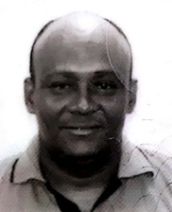 | Expert (working at International funded project but employed by a regional Comlombian NGO) | Technical Assistant - Silvopastoral Project GIZ/UNODC | Solidarity Economy Association of the mid and bottom Caguán River - ASOES | Leads and controls the non-deforestation in Caquetá and incentivizes beneficiaries with productive and self-sustainable projects aimed to conserve and protect the environment. In charge of the Implementation of technical assistance in rural development projects of the Amazon Vision Initiative and of the current Alternative Development Program in Caquetá Department. ASOES also is the main implementer of one of the Pilot Projects implemented by GIZ (GPDPD/REDD+) and UNODC in the Amazon region. | AV098984 | 1977-01-07 | 2018-09-20 | 2028-09-19 | sernapalaciosalexander@gmail.com'
13 | Mr. | Luis | Montenegro | 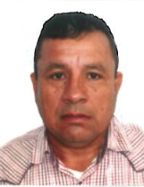 | Private sector | In charge of working with organizations that produce Palmitos that are processed by Corpocampo | Corpocampo. A private sector partners with GIZ REDD+ | Private sector Company, partner in the implementation of the Acai Pilot Project. Corpocampo promotes and executes sustainable projects in rural zones of Colombia, particularly in those with illicit crops influence. Promotes employment and development alternatives to communities that sell them acai and it provides itself decent work to communities where its processing plants are. | AV222254 | 2018-11-25 | 2018-09-13 | 2028-09-12 | le.montenegro@gmail.com | Prefer vegetables
14 | Mr. | Juan Carlos | Garzón |  | NGO | Director - Conflict Dynamics and Peace Negotiations | Ideas for Peace Foundation -FIP. A research-base Colombian NGO. | FIP is Colombia's main peace and security think tank. They provided technic assistance to the negotiation process with FARC and have also trained communities and social organizations with skills for territorial peace. In the Conflict Dynamics and Peace Negotiations direction, they seek to provide informative and technical inputs that feed public debate and help design and execute public policies to achieve peace agreements and territorial peace satisfactorily. | PE121144 | 1978-06-04 | 2015-07-29 | 2025-07-28 | jgarzon@ideaspaz.org | Vegetarian
15 | Mr. | Luis Felipe | Cruz |  | NGO | Researcher | Dejusticia. A research-base Colombian NGO. Luis is a lawyer and current sociology student at the Universidad Nacional de Colombia. He has done research on various topics including human rights and criminal procedure. His area of special interest is the history and development of the armed conflict. He is currently a researcher in the Drug Policy thematic line. | It is the Center for Law, Justice and Society Studies that researches and proposes for public policies aimed for social change. It also promotes advocacy campaigns and carries out strategic litigation and designs and delivers educational training programs. Its main fights are against discrimination, strengthening and defense of human rights and economic and social rights, the defense of environmental justice and the analysis of transitional justice. | AP544140 | 1990-11-14 | 2014-03-31 | 2024-03-30 | lcruz@dejusticia.org
16 | Mr. | Ricardo | Castillo | 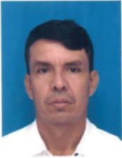 | Community | Community Leader | Community representative in the REDD+ Pilot Project "Mechanisms of social consensus among stakeholders for the promotion of conservation in the South of Tibú and North of Cucuta" | Community leader of REDD+ Pilot Project. Pilot Project basic data is attached. | AV096620 | 1981-02-07 | 2018-09-18 | 2028-09-17 | ricardoforest@hotmail.com
17 | Ms. | Nubia | Rueda | 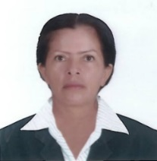 | Community | Community Leader | Community representative in the REDD+/GPDPD Pilot Project Agri-environmental Leadership and Knowledge Schools (ELSAS - Guaviare) | Community leader of REDD+ Pilot Project. Pilot Project basic data is attached. | AV085797 | 1966-04-22 | 2018-09-12 | 2028-09-11
18 | Mr. | Wilson | Comba | 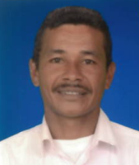 | Community | Community Leader | Community representative in the REDD+/GPDPD Pilot Project Agri-environmental Leadership and Knowledge Schools (ELSAS - Meta) | Community leader of REDD+ Pilot Project. Pilot Project basic data is attached. | AV090561 | 1975-11-04 | 2018-09-14 | 2028-09-13 |  | Do not eat spicy food | Hearing impariment
19 | Ms. | Patawee | Chotkirativech |  | International Org | Coordinator | GIZ GPDPD

External working team
20 |  | Nuit |  |  |  | Interpreter
21 |  | TBC |  |  |  | Interpreter
22 |  | TBC |  |  |  | Interpreter

Remark |  | All acronym is a Spanish acronym

