Le Meridien CEI
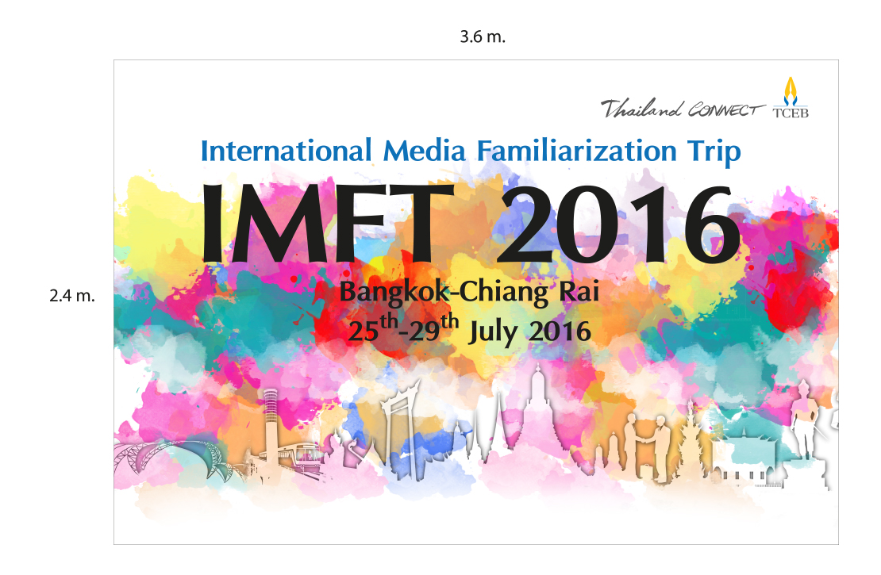

International Media Familiarization Trip 2016 Group (Bangkok and Chiang Rai, Thailand 25-29 July, 2016)

MEDIA ROOMING LIST (AS OF 20th JULY 2016)
Le Meridien Chiang Rai Resort on 26th - 28th July 2016
Arrival: 26th July 2016 by Thai Smile WE 134 (1505-1625 hrs.) and Departure: 28th July 2016 by Thai Smile WE 131 1000-1105 hrs.

No | Name SURNAME |  | City | Food intolerence | Food preference | Room preference | Remark

1 | Mr. Michael Elton Yew Seng KWANG | Biz Events Asia | Singapore | no | no oyster | non-smoking
 | Australian passport (El Kwang) | Editorial Director
 | No.: E4120541

2 | Mr. Hermann Willi Joachim FISCHER | Tourism -Insider | Berlin | no | Everything | smoking
 | Germany passport | Editor-in-chief | Germany |  | but no spicy
 | No.: C3K68L8VH

3 | Ms. Julia Binti Abd RAHMAN | MICE in Asia | KL | no | no pork | non-smoking
 | Malaysia passport (Julia Douglas) | Managing Editor | Malaysia
 | No.: A34007931

4 | Ms.Michelle Louise CHENERY | ITCM Incentive Travel & | London | No seafood | No seafood | non-smoking
 | UK passport | Corporate Meetings | UK | or shellfish | or shellfish
 | No.:109165604 | Web Editor

5 | Ms.Androula BYRNE | Exhibition News, Exhibition World, | London | Vegetarian | Vegetarian | smoking
 | UK passport | Conference & Meetings World | UK
 | No.:531474541 | Editor

6 | Ms. Elizabeth Claire Louise WOOD | CEI Asia | Hong Kong | no | no | non-smoking
 | British passport (Liz Wood) | Editor
 | No.:510628301

7 | Mr. Ka-Wai LOH | MICEreview | Singapore | no | no | non-smoking
 | Singapore passport | Editor
 | No.:E4807164A
 | passport expiration date: 29/05/2020

8 | Mr. Tuan-Anh PHAM (Ken Saigon) | Enterprises & Investment | Ho Chi Minh | no | no | non-smoking
 | Vietnam passport | Journalist | Vitenam
 | No.:B4255616

9 | Ms. Hue-Thi Kim NGO | The investors | Ho Chi Minh | no | no butter and fat | non-smoking
 | Vietnam passport | Journalist | Vitenam
 | No.:B9140649

10 | Mr. Yukio OKUDA | MICE Japan | Tokyo (Haneda) | no | no | non-smoking
 | Japan passport | Senior write/adviser | Japan
 | No.: TK0522460

11 | Ms. Kanchan NATH | MICE TALK | New Delhi | no | no | non-smoking
 | India passport | Associate Editor | India
 | No.: J9008631

12 | Ms. Eun Kyung KIM | Korea Tourium News | Seoul | no | no | non-smoking
 | Korea passport | Senior Editor | Korea
 | No.: M55267734

13 | Mr. Gilbert Frans Martha ROELS | Travel Magazine & Newsletter | Brussels | no | no | non-smoking
 | Belgium passport | Senior Reporter | Belgium
 | No.: EK031004

14 | Ms. Fuying WANG | China BT MICE | Beijing | no | no | non-smoking
 | China passport | Leading business travel and MICE | China
 | No.: E61007017 | trade media in China

15 | Mr. Siew-Kwong TANG (Eugene Tang) | Travel Blog | Singapore | no | no perference | non-smoking
 | Singapore passport | Travel Blogger / Photographer
 | No.:E5157632J

16 | Mrs. Emma Louise GARDINER | Spice, Spice news.com.au | Sydney | Onions | no | non-smoking
 | Australia passport | Editor | Australia | and Shallots
 | No.: PA3271774

17 | Mr. Kelvin Robert KING | MICE-BTN Magazine/MICE BTN Online | Auckland | no | no | non-smoking
 | New Zealand passport | Senior Journalist | New Zealand
 | No.: LH806771

18 | Ms. Yi LIN | M&C China | Beijing | no | no | non-smoking
 | China passport | Reporter | China
 | No.: G36977758

19 | Ms. Ni MENG | International Business Daily | Beijing | no | no | non-smoking
 | China passport | Reporter/Editor | China
 | No.: G58344838

20 | Mr. Saesarez Aria DWISATYA | Venue Magazine | Jakarta | - | - | non-smoking
 | Indonesia passport | Creative Dept. | Indonesia
 | No.: X166783

21 | Mr. Shekhar GROVER | MICE INDIA | New Delhi | no | Vegetarian | non-smoking
 | India passport | Editor And CEO | India
 | No.: J5855265

22 | Ms. Lin XU | China Daily | Beijing | no | no | non-smoking
 | China passport | Reporter/Editor | China
 | No.: S90438451

23 | Ms. Nadia Yun CHUNG | TTG China & TTG Btmice China | Beijing | No meat asid from | Pescetarian | Smoking
 | USA passport | Reporter | China | fish and seafood
 | No.: 488056314

24 | Mr. Mark HARADA | Traveltalk Magazine | Melbourne | no | Vegetarian | non-smoking
 | Australia passport | Digital Editor | Australia
 | No.: N4991242

 |  |  |  |  |  |  | Thai Salads & Thai Ves
25 | Ms. Renuka Vijay Kumar DOMALPALLY | Mice Book | Hyderabad | no | Vegan | non-smoking
 | India passport | Editor-in-Chief | India |  | Gluten Free
 | No.: Z1926453

26 | Ms. Georgia Louise FELDMANIS | MIX | Hong Kong | no |  | non-smoking
 | UK passport | Reporter
 | No.: 514789324

27 | Ms. Liangzi XU | HeadQuarters Magazine | Brussels | Mango | no beef | non-smoking
 | Chinese passport | International Sale Manager | Belgium
 | No.: G48948995

28 | Mr. Shailendrakumar KESARI | Safari Plus Magazine | Mumbai | No meat | Only Vegetarian
 | Indian Passport | Editor & Publisher | India |  |  | Smoking
 | No. Z2333153

29 | Mr. Stephen Morton | Global Travel Media |  |  |  | non-smoking
 | Australia Passport | CEO & Publisher |  | No | No
 | No. E4122096

30 | Mrs. Vasiliki (Vicky) Karantzavelou | TravelDailyNews Asia-Pacific
 | Greek passport | Co-Founder – Editor in Chief |  |  |  | non-smoking
 | No.: AK1587061 |  | Bangkok | No | No

32 | Ms. Arisara Thanuplang | Senior Manager | TCEB | No | No | non-smoking | ROOM UPGRADE
33 | Ms. Paniyada Mulalin |  | TCEB | No | No | non-smoking
 | Ms. Kwanchanok Otton |  | TCEB
34 | Ms. Titiwanlaya Thaimongkolrat |  | TCEB | No | No | non-smoking
1 | Ms. Puala Wongjunpen |  | Paula&Co |  |  | non-smoking
 | MS. Warunya Wongjunpen
2 | Ms. Sassy |  | Paula&Co |  |  | non-smoking
 | Mr. Otto

3 | Mr. Sirichet Thanomphant |  | Paula&Co |  |  | non-smoking

Arrival: 26th July 2016 and Departure: 27th July 2016 x 1 night (TCEB President) + ARRIVAL & DEPARTURE TRANSFER SERVICE - own payment
Arrival: 26th July 2016 by Nok Air (DD8722) 1645-1800 hrs. & Departure: 27th July 2016 by Air Asia (FD 3208) 1625-1750 hrs.)
1 | Mr. Nopparat Maythaveekulchai | President | TCEB | No | No | non-smoking | ROOM UPGRADE

